Wil_RELEASE_THE_CHEST
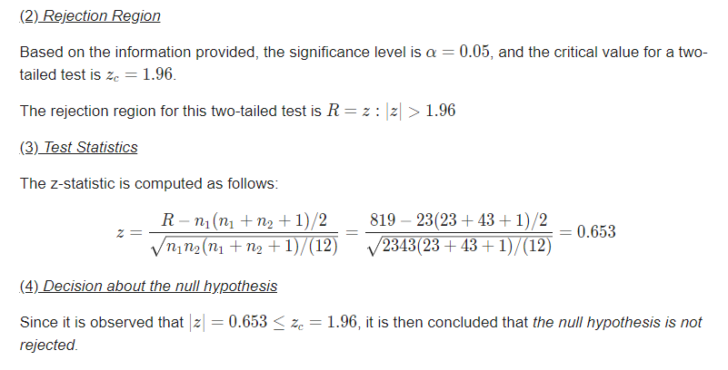
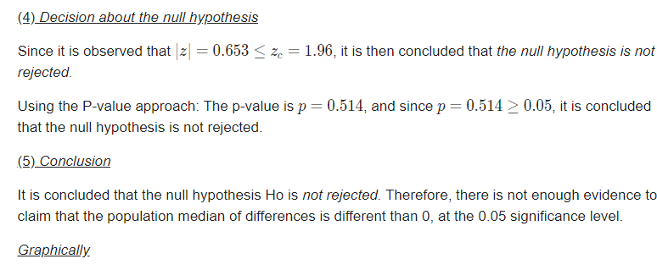
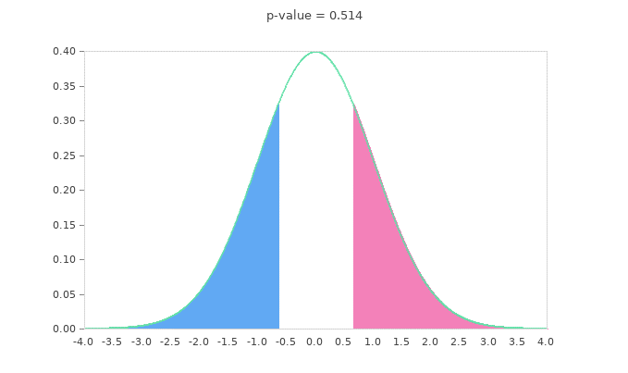
release the chest | Wilcoxon Rank-Sum Test Calculator
https://mathcracker.com/wilcoxon-rank-sum#results

First, we put both samples together and organize it in ascending order, which is shown in the table below:
Sample | Value |  |  | p-value is 0.514, HO is rejected, no difference
2 | 19
2 | 35
1 | 45
2 | 70
2 | 72
1 | 84
2 | 84
2 | 85
2 | 88
1 | 89
2 | 89
2 | 91
2 | 91
2 | 91
2 | 91
2 | 91
1 | 93
2 | 93
2 | 94
2 | 95
2 | 95
1 | 96
1 | 97
1 | 97
1 | 97
1 | 98
1 | 98
1 | 98
2 | 98
1 | 99
1 | 99
2 | 99
2 | 99
2 | 99
2 | 99
2 | 99
2 | 99
2 | 99
2 | 99
2 | 99
1 | 100
1 | 100
1 | 100
1 | 100
1 | 100
1 | 100
1 | 100
1 | 100
1 | 100
1 | 100
2 | 100
2 | 100
2 | 100
2 | 100
2 | 100
2 | 100
2 | 100
2 | 100
2 | 100
2 | 100
2 | 100
2 | 100
2 | 100
2 | 100
2 | 100
2 | 100

Now, that the values that are in ascending order are assigned ranks to them, taking care of assigning the average rank to values with rank ties

Sample | Value | Rank | Rank (Adjusted for ties)
2 | 19 | 1 | 1
2 | 35 | 2 | 2
1 | 45 | 3 | 3
2 | 70 | 4 | 4
2 | 72 | 5 | 5
1 | 84 | 6 | 2019-05-06
2 | 84 | 7 | 2019-05-06
2 | 85 | 8 | 8
2 | 88 | 9 | 9
1 | 89 | 10 | 2019-05-10
2 | 89 | 11 | 2019-05-10
2 | 91 | 12 | 14
2 | 91 | 13 | 14
2 | 91 | 14 | 14
2 | 91 | 15 | 14
2 | 91 | 16 | 14
1 | 93 | 17 | 2019-05-17
2 | 93 | 18 | 2019-05-17
2 | 94 | 19 | 19
2 | 95 | 20 | 2019-05-20
2 | 95 | 21 | 2019-05-20
1 | 96 | 22 | 22
1 | 97 | 23 | 24
1 | 97 | 24 | 24
1 | 97 | 25 | 24
1 | 98 | 26 | 2019-05-27
1 | 98 | 27 | 2019-05-27
1 | 98 | 28 | 2019-05-27
2 | 98 | 29 | 2019-05-27
1 | 99 | 30 | 35
1 | 99 | 31 | 35
2 | 99 | 32 | 35
2 | 99 | 33 | 35
2 | 99 | 34 | 35
2 | 99 | 35 | 35
2 | 99 | 36 | 35
2 | 99 | 37 | 35
2 | 99 | 38 | 35
2 | 99 | 39 | 35
2 | 99 | 40 | 35
1 | 100 | 41 | 53.5
1 | 100 | 42 | 53.5
1 | 100 | 43 | 53.5
1 | 100 | 44 | 53.5
1 | 100 | 45 | 53.5
1 | 100 | 46 | 53.5
1 | 100 | 47 | 53.5
1 | 100 | 48 | 53.5
1 | 100 | 49 | 53.5
1 | 100 | 50 | 53.5
2 | 100 | 51 | 53.5
2 | 100 | 52 | 53.5
2 | 100 | 53 | 53.5
2 | 100 | 54 | 53.5
2 | 100 | 55 | 53.5
2 | 100 | 56 | 53.5
2 | 100 | 57 | 53.5
2 | 100 | 58 | 53.5
2 | 100 | 59 | 53.5
2 | 100 | 60 | 53.5
2 | 100 | 61 | 53.5
2 | 100 | 62 | 53.5
2 | 100 | 63 | 53.5
2 | 100 | 64 | 53.5
2 | 100 | 65 | 53.5
2 | 100 | 66 | 53.5
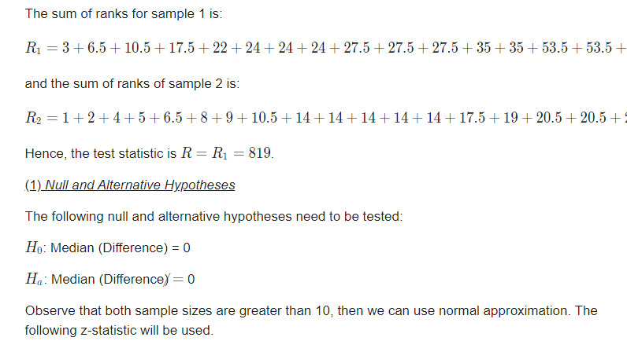
The sum of ranks for sample 1 is:
R_1 = 3+6.5+10.5+17.5+22+24+24+24+27.5+27.5+27.5+35+35+53.5+53.5+53.5+53.5+53.5+53.5+53.5+53.5+53.5+53.5 = 819R1​=3+6.5+10.5+17.5+22+24+24+24+27.5+27.5+27.5+35+35+53.5+53.5+53.5+53.5+53.5+53.5+53.5+53.5+53.5+53.5=819

and the sum of ranks of sample 2 is:
R_2 = 1+2+4+5+6.5+8+9+10.5+14+14+14+14+14+17.5+19+20.5+20.5+27.5+35+35+35+35+35+35+35+35+35+53.5+53.5+53.5+53.5+53.5+53.5+53.5+53.5+53.5+53.5+53.5+53.5+53.5+53.5+53.5+53.5 = 1392R2​=1+2+4+5+6.5+8+9+10.5+14+14+14+14+14+17.5+19+20.5+20.5+27.5+35+35+35+35+35+35+35+35+35+53.5+53.5+53.5+53.5+53.5+53.5+53.5+53.5+53.5+53.5+53.5+53.5+53.5+53.5+53.5+53.5=1392
Hence, the test statistic is R = R_1 = 819R=R1​=819.

Wil_TIME_OF_FREQ
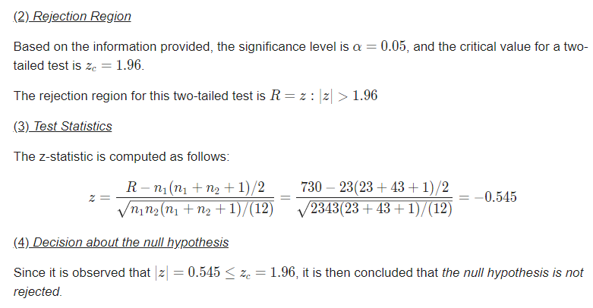
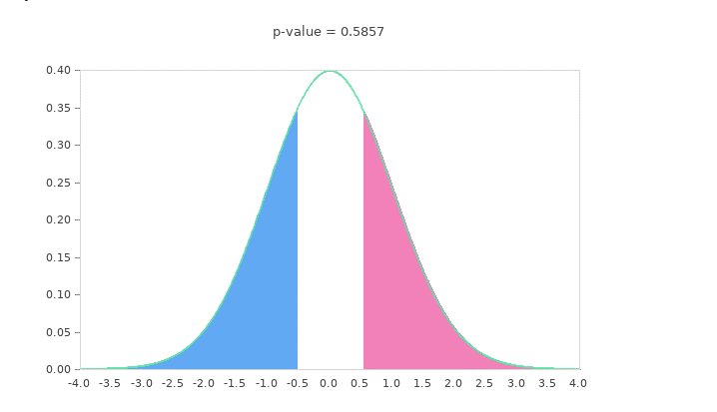
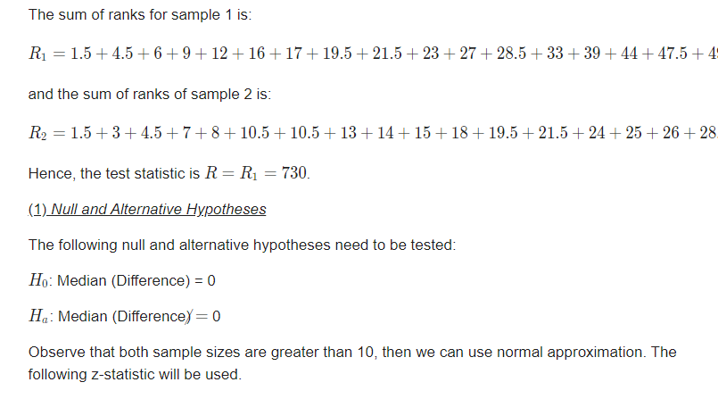
Čas správné frekvence KPR | p-hodnota je 0.5857 HO se nezamítá, rozdíl není

